PRD
Product Requirement Document (PRD) - Version: 1.0

Template Name |  | Job Portal
Goals & Objective |  | The goal of this website is to provide a reliable and efficient platform for recruiters to manage job postings, view candidate applications, and connect with qualified talent seamlessl From this website, a recruiter can: - Post job openings based on their subscription plan (Basic, Standard, Premium) - View an overview of all recruitment activities (open jobs, candidate applications, shortlisted candidates, and job views) - Manage and update recruiter and company profile information - Save potential candidates for future reference and download resumes - Communicate with candidates via email - Access settings to update company details, social media links, and account preferences
Client Information
Product Type |  | Web Application
Domain |  | Web2
Access Layers |  | User, Miner
Design Required |  | Yes

Phase | Item No | Specification [Role] | Screen Definition | User Story | Acceptance Criteria | UI Screen / Wireframe | Tags
Feature: 1 |  | Auth Feature
phase 1 | 1 | Signup [Miner] [User] | <Form> <input=name> <input=email> <input=gender> <input=dob> <input=password> <input=re-password> <input=user-type> <button=signup> <link=signin> | - Enter Full name (input) - Enter unregistered email (input) - Enter password (input) [Logic: At least 8 characters long, atleast one special character] - Enter password again (input) [Logic: should match password input] - Choose user type [user,miner] - Click Signup (button) [Logic: If the email is unique, user will be registered to the sysmem (databse)] - Signin (link) [Logic: redirect user to Login page] | - Email (input) field should only accept valid unregistered email address as input, otherwise will show an 'email already used' message. - Password (input) should be minimum 8 characters long. Otherwise show an invalid message. - Re-password (input) should match password. Otherwise show 'password do not match' message. - User type must be selected. Otherwise show 'Please select a user type'. - On clicking signup button, credential will be stored in database, user will be redirected to his dashboard. - A copy of the login information will be sent to his email. | 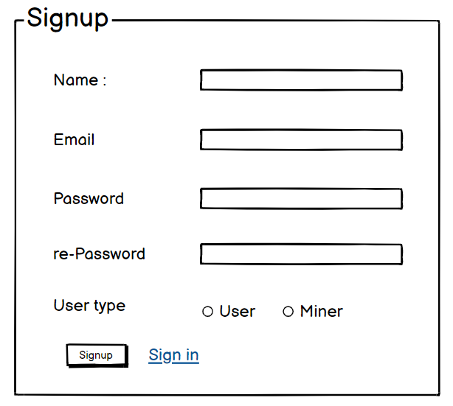 | signup
phase 1 | 2 | Signin [Miner] [User] | <Form> <input=email> <input=password> <option=remember me> <button=signin> <link=signup> <link=forgot password> | - Enter Email (input) - Enter password (input) - signin (button) - signup (link) - forgot password (link) | - Email must match database email - password must match database password - User go to dashboard (if email & password match with database) - User is promt with an error. "Email or password does not match!". (if email & password match with database) - clicking signup should take user to signup page - clicking forgot password should take him to forgot password page | 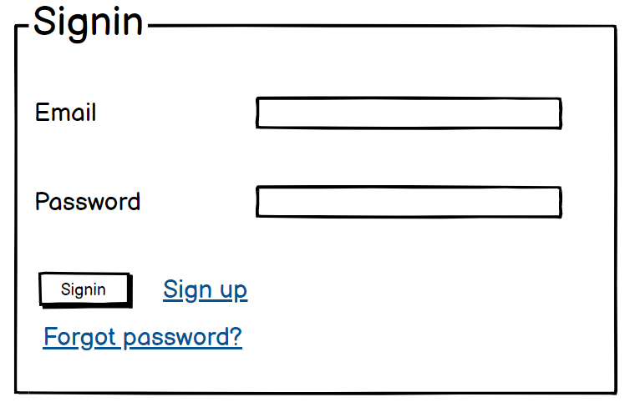 | signin
phase 1 | 3 | Forgot password[Miner] [User] | <Form> <input=email> <button=send code> <input=code> <input=password> <input=confirm Password> <button=submit> | - Enter email (input) - Press send code (button) - Enter new password (input) - Re-type new password (input) - click on change passowrd to update password (button) | - email must match DB email or promt "No email found!" - pressing send code will print a message "code sent!" and the code can be found at user info row. - enter new password [At least 8 characters long, atleast one special character] - re-type new password [it should match new password] - clicking submit button will show user -> "password changed" if all info match criteria or it'll indicate what's wrong | 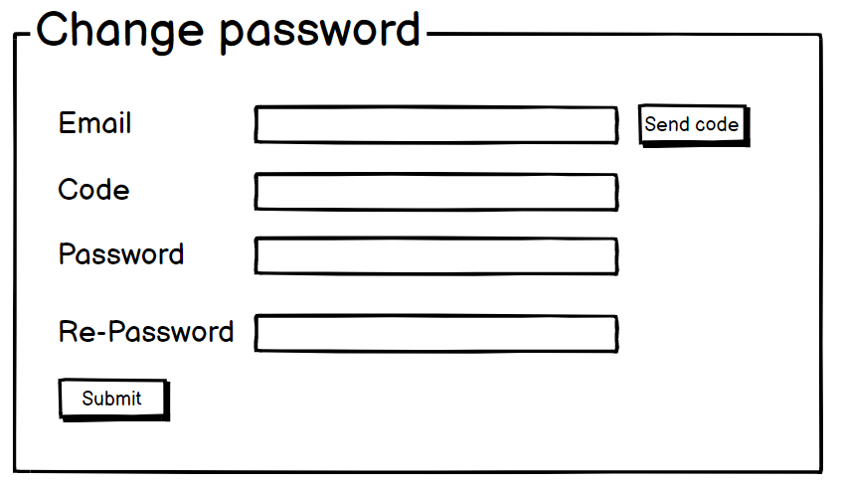 | forgot_password
Feature: 2 |  | Recruiter
phase 1 | 4 | Overview [Recruiter] | Dashboard Card Layout: • Open Jobs • Candidates Applied • Shortlisted Candidates • Job Views | View a summary of recruitment activities (open jobs, applications received, shortlisted candidates, and job views) at a glance. This dashboard provides recruiters with a quick snapshot of their performance and engagement, enabling informed decisions and faster actions without needing to navigate through multiple pages. | * The dashboard displays real-time counts for open jobs, total candidates applied, shortlisted candidates, and job views. * All displayed data is fetched from and accurately reflects backend records. * Each metric section includes a "View All" link that redirects the recruiter to the corresponding section on the My Jobs page. * Data updates automatically as job activity occurs (e.g., new applications, status changes). |  | dashboard
phase 1 | 5 | Post a Job [Recruiter] | <form> • Job Title • Description • Salary • Location • Job Type • Subscription Plan | Post a job only if a valid subscription (Basic, Standard, or Premium) is active. The system checks the recruiter’s plan before allowing access to the job posting interface. Based on the plan, recruiters may have limitations or added features (e.g., number of job posts allowed, featured listing). If no plan is active, the platform prompts for a plan upgrade. | * System verifies that the recruiter has an active subscription plan before allowing job posting. * Form fields including title, description, salary, location, and job type are validated for completeness and correct format. * On successful submission, the job is added to the recruiter's listings and becomes visible in the "My Jobs" section. * If no valid subscription is detected, an appropriate error message is displayed and job posting is blocked. |  | job_posting
phase 1 | 6 | My Jobs [Recruiter] | <table> • Job Title • Role • Status • Applications • Actions (View Applications) | View all posted jobs in a single list, along with key job-specific data such as status (active/inactive), the number of candidates applied, and quick actions like viewing applications or editing job details. This centralized list allows recruiters to efficiently manage and track their recruitment efforts without repetitive navigation. | * The table dynamically loads all jobs posted by the logged-in recruiter. * Each job entry displays an accurate status (e.g., Active, Expired) and the total number of applications received. * Action buttons are available for each job, allowing recruiters to view application details or perform relevant actions. * All data updates in real time as new applications are received or job statuses change. |  | jobs_list
phase 1 | 7 | Saved Candidates [Recruiter] | <table> • Candidate Name • Job Applied • Application Date • Actions (Download CV, Email) | Save individual candidate profiles during the screening or search process for future hiring needs. Download resumes directly and initiate email communication from the saved list. This feature allows recruiters to build a personalized talent pool and follow up with candidates even outside the current hiring cycle. | * The table displays saved candidates along with their name, the job they applied for, and the date they were saved. * Clicking "Download CV" triggers the download of the candidate’s resume in PDF or supported format. * Clicking "Email" opens a pre-filled email form addressed to the candidate’s registered email. * Download and email actions are only enabled for candidates who have been saved by the recruiter. |  | candidate_management
phase 1 | 8 | Settings [Recruiter] | <form> • Company Info (Name, About, Phone, Email, Location) • Social Media Links • Account Settings (Password, Delete Account) | Edit and maintain company information such as name, year of establishment, number of employees, social media handles, and general account settings. Ensuring this information is up to date supports employer branding and builds trust with potential applicants. | * All updated fields are saved correctly to the database. * Social media links are validated to ensure they are in proper URL format. * Password changes require the correct current password and a new password that meets security criteria (minimum 8 characters, including at least one special character). * Account deletion prompts a confirmation dialog and logs the user out by clearing the session upon successful deletion. |  | settings
phase 1 | 9 | Profile Management [Recruiter] | <form> • Name • Email • Phone • Designation • Company | Manage and update personal and company-related details such as full name, email, phone number, job title, and organization information. Keeping this information accurate ensures a professional presence on the platform and enables proper communication between recruiters and candidates. | * All fields in the profile are editable by the recruiter. * Updated data is saved securely to the database upon submission. * Validation is applied to ensure email format and phone number are correct. * A success message is displayed upon successful update. |  | profile
phase 1 | 10 | Screen Resumes by AI [Recruiter] | <form> • Job criteri • Skills • Education • Background | Automatically screen and rank resumes using AI based on job-specific criteria such as skills, education, and experience. This helps recruiters reduce manual review time, maintain consistency, and quickly identify the most suitable candidates. | * The AI assigns a relevance score to each resume based on job-specific criteria such as skills, experience, and education. * Scores are displayed next to each candidate in the application list. * Candidates are ranked in descending order of relevance score. * Scoring logic accurately reflects alignment with the job description and requirements. * Recruiters can view a breakdown or reason for each score if needed. |  | AI, resume, scoring
phase 1 | 11 | Update Application Status [Recruiter] | <form> • Accepted • Rejected • Pending | Update the status of candidate applications after reviewing resumes to maintain accurate hiring records. | * Click on the status dropdown to select a new application status. * Click action saves the selected status to the database in real time. * Color-coded indicators update based on the selected status (e.g., green for Accepted, red for Rejected, yellow for Pending). * Status change is instantly reflected in the recruiter’s interface. * Candidates receive a notification (email or in-app) if notifications are enabled. |  | application, status
phase 1 | 12 | Logout [Recruiter] | <button> Logout | Logout securely from the account to terminate the current session and protect access to recruitment data. The system clears all authentication tokens and redirects the user to the login screen, ensuring data privacy and preventing unauthorized access. | * User’s session token or authentication cookies are cleared upon logout. * After logout, the user is immediately redirected to the login screen. * Access to the recruiter dashboard and all authenticated routes is restricted until the user logs in again. |  | logout
Feature: 3
Feature: 4
Feature: 5
Feature: 6
Feature: 7

